Tableau
Sr No. | Question | Difficulty Level | Reference Solution
1 | What is Tableau? | Easy | Tableau is a powerful and fastest growing data visualization tool used in the Business Intelligence Industry. It helps in simplifying raw data into the very easily understandable format. Data analysis is very fast with Tableau and the visualizations created are in the form of dashboards and worksheets. The data that is created using Tableau can be understood by professional at any level in an organization. It even allows a non-technical user to create a customized dashboard. The great thing about Tableau software is that it doesn't require any technical or any kind of programming skills to operate.
2 | What Are the Data Types Supported in Tableau? | Easy | Following data types are supported in Tableau: Text (string) values Date values Date and time values Numerical values Boolean values (relational only) Geographical values (used with maps)
3 | How Will You Understand Dimensions and Measures? | Medium | Dimensions: Dimensions contain qualitative values (such as names, dates, or geographical data) You can use dimensions to categorize, segment, and reveal the details in your data. Example: Category, City, Country, Customer ID, Customer Name, Order Date, Order ID Measures: Measures contain numeric, quantitative values that you can measure (such as Sales, Profit) Measures can be aggregated Example: Profit, Quantity, Rank, Sales, Sales per Customer, Total Orders
4 | What is Meant by ‘discrete’ and ‘continuous’ in Tableau? | Medium | Tableau represents data depending on whether the field is discrete (blue) or continuous (green). Discrete - "individually separate and distinct." Continuous - "forming an unbroken whole without interruption."
5 | What Are the Filters? Name the Different Filters in Tableau. | Easy | Tableau filters are a way of restricting the content of the data that may enter a Tableau workbook, dashboard, or view. The Different Types of Tableau Filters are: Extract filters Context filters Data source filters Filters on measures Filters on dimensions Table calculation filter
6 | What Are the Different Joins in Tableau? | Easy | 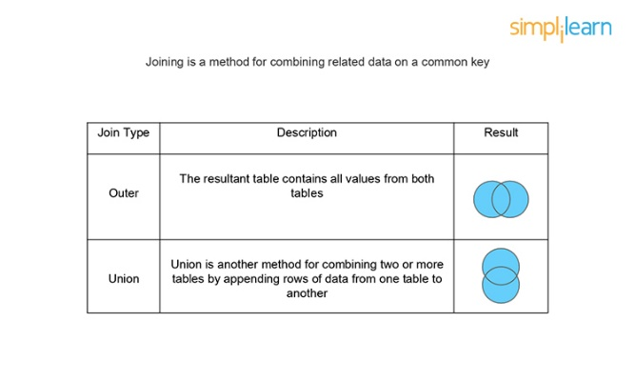 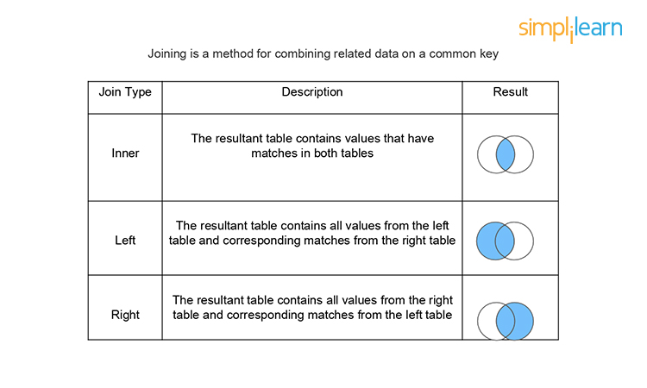 Joining is a method for combining related data on a common key. Below is a table that lists the different types of joins:
7 | What is the Difference Between Joining and Blending? | Medium | Combining the data from two or more different sources is data blending, such as Oracle, Excel, and SQL Server. In data blending, each data source contains its own set of dimensions and measures. Combining the data between two or more tables or sheets within the same data source is data joining. All the combined tables or sheets contain a common set of dimensions and measures.
8 | What is the Difference Between a Live Connection and an Extract? | Easy | Tableau Data Extracts are snapshots of data optimized for aggregation and loaded into system memory to be quickly recalled for visualization. Example: Hospitals that monitor incoming patient data need to make real-time decisions. Live connections offer the convenience of real-time updates, with any changes in the data source reflected in Tableau. Example: Hospitals need to monitor the patient’s weekly or monthly trends that require data extracts.
9 | What is a Calculated Field, and How Will You Create One? | Medium | A calculated field is used to create new (modified) fields from existing data in the data source. It can be used to create more robust visualizations and doesn’t affect the original dataset.
10 | Is There a Difference Between Sets and Groups in Tableau? | Medium | A Tableau group is one dimensional, used to create a higher level category by using lower-level category members. Tableau sets can have conditions and can be grouped across multiple dimensions/measures. Example: Sub-category can be grouped by category.
11 | What Is a Parameter in Tableau? Give an Example. | Easy | A parameter is a dynamic value that a customer could select, and you can use it to replace constant values in calculations, filters, and reference lines.
12 | What is the Difference Between Treemaps and Heat Maps? | Medium | A Heat map is used to compare categories using color and size. In this, we can distinguish two measures. A Tree map is used to represent hierarchical data. The space in the view is divided into rectangles that are sized and ordered by a measure.
13 | What is the Difference Between .twbx And .twb? | Medium | .twbx The .twbx contains all of the necessary information to build the visualization along with the data source. This is called a packaged workbook, and it compresses the package of files altogether. .twb The .twb contains instructions about how to interact with the data source. When it's building a visualization, Tableau will look at the data source and then build the visualization with an extract. It can’t be shared alone as it contains only instructions, and the data source needs to be attached separately.
14 | Explain the Difference Between Tableau Worksheet, Dashboard, Story, and Workbook? | Medium | Tableau uses a workbook and sheet file structure, much like Microsoft Excel. A workbook contains sheets, which can be a worksheet, dashboard, or a story. A worksheet contains a single view along with shelves, legends, and the Data pane. A dashboard is a collection of views from multiple worksheets. A story contains a sequence of worksheets or dashboards that work together to convey information.
15 | What Do You Understand about the Blended Axis? | Easy | Blended Axis is used to blend two measures that share an axis when they have the same scale.
16 | What is the Use of Dual-axis? How Do You Create One? | Difficult | Dual Axis allows you to compare measures, and this is useful when you want to compare two measures that have different scales.
17 | What Will the Following Function Return? Left(3, “Tableau”) | Difficult | It will return an error because the correct syntax is: left(string, num_chars). So, it should be: Left(“Tableau,” 3) Left returns a specific number of characters from the start of the given string. If the correct syntax is followed, the result would be ‘Tab.’
18 | How Do You Handle Null and Other Special Values? | Medium | If the field contains null values or if there are zeros or negative values on a logarithmic axis, Tableau cannot plot them. Tableau displays an indicator in the lower right corner of the view, and you can click the indicator and choose from the following options: Filter Data. Excludes the null values from the visualization using a filter. In that case, the null values are also excluded from any calculations used in the view. Show Data at Default Position. Shows the data at a default location on the axis.
19 | What is the Rank Function in Tableau? | Medium | The ranking is assigning something a position usually within a category and based on a measure. Tableau can rank in several ways like: rank rank_dense rank_modified rank_unique
20 | How Can You Embed a Web Page in a Dashboard? | Medium | Follow these simple steps to embed a webpage in a dashboard: Go to dashboard Double click ‘Webpage’ option available under ‘Objects.’ Enter the URL (here https://en.wikipedia.org/wiki/) of the webpage in the dialog box that appears You can see the webpage appears on the dashboard.
21 | How Can You Optimize the Performance of a Dashboard? | Easy | There are multiple ways to optimize the performance of the dashboard like: Maximize the number of fields and records. You can exclude unused fields from your visualization or use extract filters. Limit the number of filters used, by avoiding quick filters and using action and parameter filters instead. These filters reduce query loads. use Min/Max instead of Average because average functions require more processing time than Min/Max Use boolean or numerical calculations more than string calculations. Computers can process integers and boolean much faster than strings. Boolean > int > float > date-time > string
22 | Which Visualization Will Be Used in the given Scenarios? - To show aggregated sales totals across a range of product categories and subcategories - To show the duration of events or activities - To show quarter wise profit growth | Medium | We would use the following visualizations for the given scenarios: Treemap Gantt chart Waterfall chart
23 | What Would You Do If Some Countries/Provinces (Any Geographical Entity) are Missing and Displaying a Null When You Use Map View? | Difficult | When working with maps and geographical fields, unknown or ambiguous locations are identified by the indicator in the lower right corner of the view. Click the indicator and choose from the following options: Edit Locations - correct the locations by mapping your data to known locations Filter Data - exclude the unknown locations from the view using a filter. The locations will not be included in calculations Show Data at Default Position - show the values at the default position of (0, 0) on the map.
24 | What is the Level of Detail (LOD) Expression? | Easy | A level of detail expression is used to run complex queries involving many dimensions at the data source level instead of bringing all the data to Tableau interface.
25 | How Do You Calculate the Daily Profit Measures Using LOD? | Medium | LOD expressions allow us to easily create bins on aggregated data such as profit per day.
26 | How Can You Schedule a Workbook in Tableau after Publishing It? | Medium | When you’re signed in to Tableau Server, go to Content > data sources or Content > Workbooks, depending on the type of content you want to refresh. Select the checkbox for the data source or workbook you want to refresh, and then select Actions > Extract Refresh. In the Refresh Extracts dialog, select Schedule a Refresh, and complete the following steps: Select the schedule you want. If available, specify whether you want a full or incremental refresh.
27 | What Are the Different Types of Tableau? | Easy | The different types of Tableau are Desktop, Prep, Online, and Server.
28 | How is Tableau better than other Products? | Easy | Compared to other BI tools, Tableau lets you create rich visualizations in just a few seconds! It lets you perform complex tasks with simple drag-and-drop functionalities, hence answering your questions in no time!
29 | Name 1 advantage and 1 disadvantage of Tableau extracts. | Easy | Advanatage - Quickly Create Interactive visualizations Disadvantage - Tableau’s conditional formatting and limited 16 column table displays are pain points for users. Also, to implement the same formatting to multiple fields there is no way a user can do that for all fields directly. Users need to do that manually for each field which is very time-consuming.
30 | Tell me the charts you have worked on | Easy | Bar Charts Line Charts Pareto Charts Area Charts Histograms Pie Charts Tree Maps Scatter Plots Bubble Charts Heat Maps Maps Bullet Charts Gantt Charts Box and Whisker Plots Waterfall Charts Motion Charts
31 | Tell me all the products of Tableau. | Easy | Tableau Desktop (Both professional and personal editions) Tableau Server. Tableau Online. Tableau Prep Builder (Released in 2018) Tableau Vizable (Consumer data visualization mobile app released in 2015) Tableau Public (free to use) Tableau Reader (free to use) Tableau Mobile.
32 | What are the new features added in Tableau 8, 9 and 10? | Easy | Cross-database joins. Filtering across data sources. Device preview/device designer. Cluster analysis. Highlighting. Maps and geography. New data source connections. Tableau Server updates.

